Filtering the sheet
In the Data tab, on the toolbar above select "filter views" then one of the public filters from the drop down menu
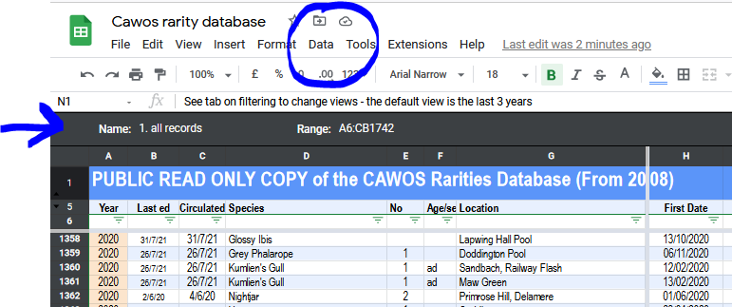

The default view is all areas, for the last 3 years
There are views for BBRC, unsubmitted and various locations/ckusters

If the view you want is not yet listed, email Rarities@cawos.org

NB BBRC records are being added retrospectively.
Species subsequently removed deom the BBRC list will take a little longer to add
Records post 2012 will also be added as they are located

